Mylar Seal Proof Test - S1
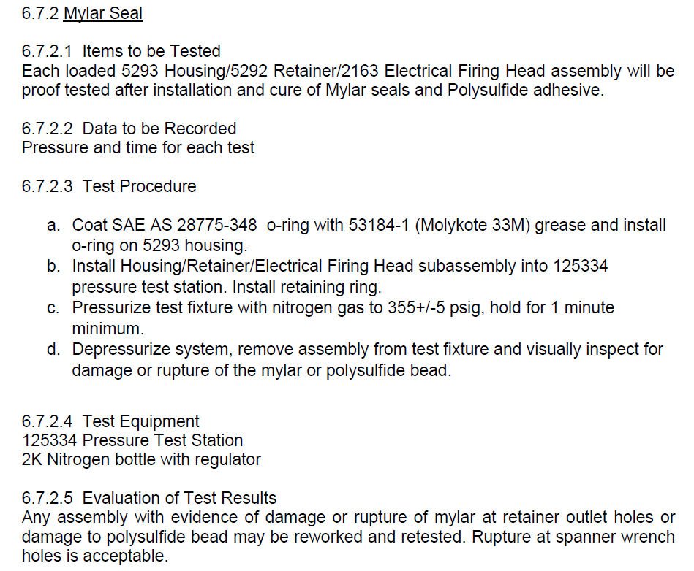
Step | Step Description for GUI | AV111 (Low P) | AV112 (HI P) | AV113 (Z1 Vent) | AV121 (Zone 2 Vent) | AV131 (Zone 3 Vent) | Lid Lock Cylinder | Step Description
0 | Alarm State | Closed | Closed | Open | Open | Open | Extend | Alarm and Initial Power Up State. Display Alarm Message #7 on initial power up. Turn off N2 supply and vent Staton 1 of N2 and extend lid lock cylinder. Display any applicable alarm message(s) on GUI. System to reside in this step after alarm condition/power up until the operator acknowledges the alarm on the GUI. Go to Step 1 once the alarm is acknowledged and the following conditions are met: PT111 < 0.5 psi (VENT_PMAX) and PT121 < 0.5 psi (VENT_PMAX) and PT131 < 0.5" WC (S1Z3_VENT_PMAX). If PT111 or PT121 or PT131 are too high, remain in Step 0 and display Alarm Msg#4 for PT111> (VENT_PMAX), Alarm Msg#5 for PT121 > (VENT_PMAX), Alarm Msg#6 for PT131 > (S1Z3_VENT_PMAX)
1 | Load / Unload Firing Head | Closed | Closed | Open | Open | Open | Retract | Idle State to allow loading/unloading of DUT and installation/removal of locking Lid. Activate a field to enter a S/N and a button on the GUI that reads "Start Mylar Seal Proof Test". Require that at least 1 character is entered in the S/N field before going to the next step. Wait 2 seconds after entering idle state and then Verify CPS112=True and CPS111 = False. If this is not the case then go to Alarm State 0 with ALM 23.
2 | Lock Lid | Closed | Closed | Open | Open | Open | Extend | Extend Lid Lock Cylinder to lock lid. Wait 2 seconds after extending cylinder and then verify lid lock cylinder position is correct by checking CPS111 and CPS112. -Over extended air cylinder (CPS111=False & CPS112=False) -> lid not in place-> Step 0 (Alarm Msg #2). -Cylinder still in retract position (CPS111=False and CPS112=True)=lid not locked-> Step 0 (Alarm Msg #1). -CPS111 = True and CPS112 =True indicate sensor problem -> Go to Alarm State 0 with ALM #23. -CPS111=True and CPS112=False indicate the lid is installed and locked and it is okay to continue test. Go to Step 3.
3 | Low Pressure Verification | Open | Closed | Closed | *Closed | Open | Extend | Pressurize zone 1 to 20 psi for 10 seconds (MSLOP_TIMER) Verify PT111 reaches 17 psi (LOP_TARGET) in < 5 seconds (LOP_RAMP) after opening AV111. Alarm Msg #11 and go to Step 0 if PT111 does not reach 17 psi (LOP_TARGET) in < 5 seconds (LOP_RAMP). Start 10 second timer (MSLOP_TIMER) when PT111>17 psi (LOP_TARGET). *Wait until PT111>17 psi (LOP_TARGET) and then close AV121. Verify there is no pressure rise on PT121 >1 psi (LOP_LEAK_MAX) or PT131 >0.5"WC (S1Z3_LOP_LEAK_MAX) to ensure O-rings are installed and leak tight. Go to step 0 if pressure rises on PT121 >1 psi (LOP_LEAK_MAX) or PT131 >0.5"WC (S1Z3_LOP_LEAK_MAX) with Alarm Msg #3. If PT111 is >25 psi (LOP_MAX) during this step, go to Step 0 with Alarm Msg #16. If PT111 falls belows 15 psi (LOP_MIN) after starting 10 second timer, go to Step 0 with Alarm Msg# 15. Continue monitoring CPS111 and CPS112 to ensure the lid remains locked throughout test. Go to step 0 with Alarm #23 if the following is not true at anytime: CPS111=True AND CPS112=False
4 | High Pressure Proof Test | Closed | Open | Closed | Open | Open | Extend | Pressurize zone 1 to 355 psi for 65 seconds. Verify PT111 reaches 351 psi (HIP_TARGET) in <20 seconds (HIP_RAMP). If PT111 does not reach 351 psi in <20 seconds go to alarm state 0 (Alarm Msg #12). Start 65 second timer (MSHIP_TIMER) once pressure is > 351 psi (HIP_TARGET). Once the 65 second timer starts, the PT111 pressure must be >350 psi (HIP_MIN) and <360 psi (HIP_MAX) for the entire 65 second duration. If PT111 drifts too high (Alarm Msg #13) or too low (Alarm Msg #14), go to alarm state 0. Continue monitoring CPS111 and CPS112 to ensure the lid remains locked throughout test. Go to step 0 with Alarm #23 if the following is not true at anytime: CPS111=True AND CPS112=False There is no leak requirement for this test. Unit will be visually inspected after test is complete to verify no damage occurred from pressurization.
5 | Vent | Closed | Closed | Open | Open | Open | Extend | Turn off supply and Vent system of all N2. Leave Lid Lock Cylinder extended.
6 | Unlock Lid | Closed | Closed | Open | Open | Open | Retract | Wait for pressure to bleed off. Once PT111 < 0.5 psi (VENT_PMAX) and PT121 < 0.5 psi (VENT_PMAX) and PT131 < 0.5" WC (S1Z3_VENT_PMAX) retract lid lock cylinder. Return to step 1. If pressure does not bleed off within 20 seconds (BLEED_TIME) leave lid lock cylinder extended and go to Step 0 with alarm message #4 if PT111 > (VENT_PMAX), #5 if PT121 > (VENT_PMAX) or #6 if PT131 > (S1Z3_VENT_PMAX)

Note
Each Mylar Test Proof run should generate 2 CSV files.
 | File 1
 | Test Type | Mylar Seal Proof Test
 | S/N | This will be entered by the operator prior to starting a test
 | Test Start Time & Date | Use Time stamp when step 3 begins.
 | MIN Pressure | Minimum pressure recorded from PT111 while MSHIP_TIMER timer is running.
 | MAX Pressure | Maximum pressure recorded from PT111 while MSHIP_TIMER timer is running.
 | Time At Pressure | This will be the time value of MSHIP_TIMER. (ie 65 seconds unless this changes)
 | Test Acceptance (PASS or FAIL) | If the test run makes it to Step 5 this is PASS. If an alarm occurs prior to step 5 this field should be FAIL. An Alarm in Step 5 or 6 is not a FAIL but should be recorded below.
 | Alarms | Record any alarms that occurred during the test.

 | File 2
 | S/N | This will be entered by the operator prior to starting a test
 | Test Start Time & Date | Use time stamp when Step 3 begins
 | Time & Date Stamp | PT111 | PT121 | PT131
 | 2020-04-03 13:26:01
 | 2020-04-03 13:26:02
 | 2020-04-03 13:26:03
 | 2020-04-03 13:26:04
 | 2020-04-03 13:26:05
 | 2020-04-03 13:26:06
 | 2020-04-03 13:26:07
 | 2020-04-03 13:26:08
 | 2020-04-03 13:26:09

Threaded Joint Leak Test - S1
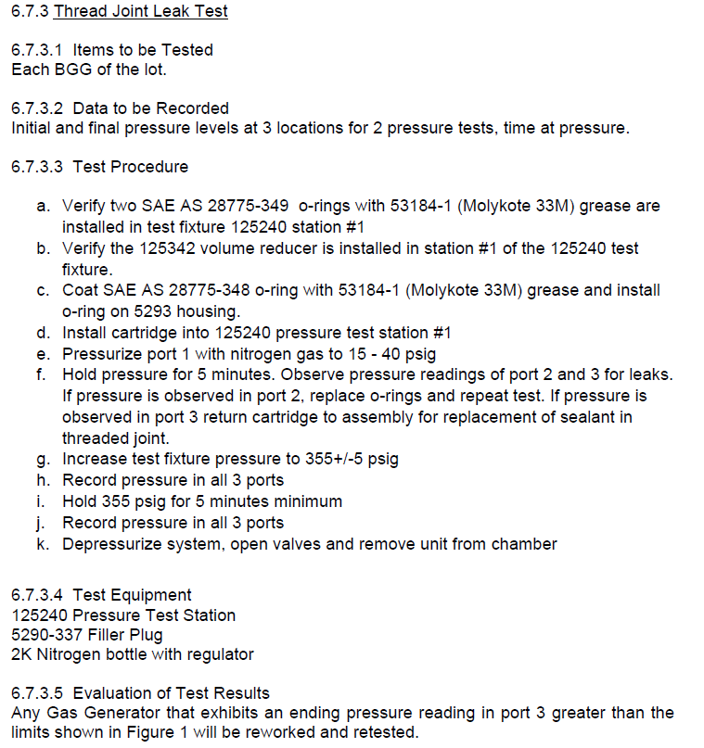
Step | Step Description for GUI | AV111 (Low P) | AV112 (HI P) | AV113 (Z1 Vent) | AV121 (Z2 Vent) | AV131 (Z3 Vent) | Lid Lock Cylinder | Step Description | Markup
0 | Alarm State | Closed | Closed | Open | Open | Open | Extend | Alarm and Initial Power Up State. Display Alarm Message #7 on initial power up. Turn off N2 supply and vent Staton 1 of N2 and extend lid lock cylinder. Display any applicable alarm message(s) on GUI. System to reside in this step after alarm condition/power up until the operator acknowledges the alarm on the GUI. Go to Step 1 once the alarm is acknowledged and the following conditions are met: PT111 < 0.5 psi (VENT_PMAX) and PT121 < 0.5 psi (VENT_PMAX) and PT131 < 0.5" WC (S1Z3_VENT_PMAX). If PT111 or PT121 or PT131 are too high, remain in Step 0 and display Alarm Msg#4 for PT111> (VENT_PMAX), Alarm Msg#5 for PT121 > (VENT_PMAX), Alarm Msg#6 for PT131 > (S1Z3_VENT_PMAX)
1 | Load / Unload BGG | Closed | Closed | Open | Open | Open | Retract | Idle State to allow loading/unloading of DUT and installation/removal of locking Lid. Activate a field to enter a S/N and a button on the GUI that reads "Start Threaded Joint Leak Test". Require that at least 1 character is entered in the S/N field before going to the next step. Wait 2 seconds after entering idle state and then Verify CPS112=True and CPS111 = False. If this is not the case then go to Alarm State 0 with ALM 23.
2 | Lock Lid | Closed | Closed | Open | Open | Open | Extend | Extend Lid Lock Cylinder to lock lid. Wait 2 seconds after extending cylinder and then verify lid lock cylinder position is correct by checking CPS111 and CPS112. -Over extended air cylinder (CPS111=False & CPS112=False) -> lid not in place-> Step 0 (Alarm Msg #2). -Cylinder still in retract position (CPS111=False and CPS112=True)=lid not locked-> Step 0 (Alarm Msg #1). -CPS111 = True and CPS112 =True indicate sensor problem -> Go to Alarm State 0 with ALM #23. -CPS111=True and CPS112=False indicate the lid is installed and locked and it is okay to continue test. Go to Step 3.
3 | Low Pressure Verification | Open | Closed | Closed | *Closed | *Closed | Extend | Start recording pressure vs time on PT111, PT121, and PT131 every second. Pressurize zone 1 to 20 psi for 5 minutes (TJLOP_TIMER) Verify PT111 reaches 17 psi (LOP_TARGET) in < 5 seconds (LOP_RAMP) after opening AV111. Alarm Msg #11 and go to Step 0 if PT111 does not reach 17 psi (LOP_TARGET) in < 5 seconds (LOP_RAMP). Start t-LO 5 minute timer (TJLOP_TIMER) when PT111>17 psi (LOP_TARGET). *Wait until PT111>17 psi (LOP_TARGET) and then close AV121 and AV131. Verify there is no pressure rise on PT121 >1 psi (LOP_LEAK_MAX) or PT131 >0.5"WC (S1Z3_LOP_LEAK_MAX) to ensure O-rings are installed and leak tight. Go to step 0 if pressure rises on PT121 >1 psi (LOP_LEAK_MAX) or PT131 >0.5"WC (S1Z3_LOP_LEAK_MAX) with Alarm Msg #3. If PT111 is >25 psi (LOP_MAX) during this step, go to Step 0 with Alarm Msg #16. If PT111 falls belows 15 psi (LOP_MIN) after starting 5 minute timer (TJLOP_TIMER), go to Step 0 with Alarm Msg# 15. Continue monitoring CPS111 and CPS112 to ensure the lid remains locked throughout test. Go to step 0 with Alarm #23 if the following is not true at anytime: CPS111=True AND CPS112=False *Open AV121 and AV131 when 5 minute timer (TJLOP_TIMER) expires before entering next step.
4 | High Pressure Test | Closed | Open | Closed | *Closed | *Closed | Extend | Continue recording pressure vs time on PT111, PT121, and PT131 every second. Pressurize zone 1 to 355 psi for 5 minutes (TJHIP_TIMER). Record pressure vs time on PT111, PT121, and PT131 . Verify PT111 reaches 351 psi (HIP_TARGET) in <20 seconds HIP_RAMP. If PT111 does not reach 351 psi in <20 seconds go to alarm state 0 (Alarm Msg #12). Start a timer (TJHIP_STABLE_WAIT) when the pressure on PT111>351 psi (HIP_TARGET). *When TJHIP_STABLE_WAIT Expires, close AV121 and AV131 and start a TJHIP_STABLE_CLOSE timer. Start the 5 minute timer (TJHIP_TIMER) when (TJHIP_STABLE_WAITCLOSE) expires. At TJHIP_TIMER=0 take a reading from PT131. Set this to the initial pressure. Once the 5 minute timer (TJHIP_TIMER) starts, the following conditions must remain true: 1. PT111 pressure must be >350 (HIP_MIN) and <360 (HIP_MAX) for the entire 5 minute duration (TJHIP_TIMER). If PT111 drifts too high (Alarm Msg #13) or too low (Alarm Msg #14), go to alarm state 0. 2. PT131 must not increase above the initial pressure value by more than 0.168" of H2O (TJ_PTEST_MAX). If PT131 increases by more than .168" of H2O (TJ_PTEST_MAX), go to Step 0 with Alarm Msg# 19. Continue monitoring CPS111 and CPS112 to ensure the lid remains locked throughout test. Go to step 0 with Alarm #23 if the following is not true at anytime: CPS111=True AND CPS112=False |  | 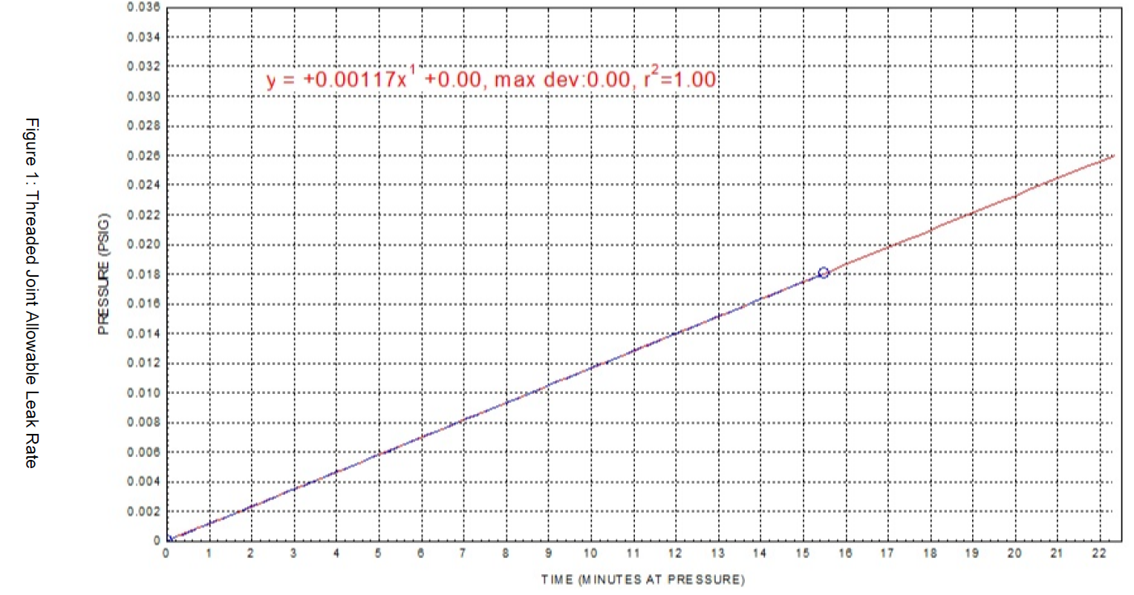
5 | Vent | Closed | Closed | Open | Open | Open | Extend | Turn off supply and Vent system of all N2.
6 | Unlock Lid | Closed | Closed | Open | Open | Open | Retract | Wait for pressure to bleed off. Once PT111 < 0.5 psi (VENT_PMAX) and PT121 < 0.5 psi (VENT_PMAX) and PT131 < 0.5" WC (S1Z3_VENT_PMAX) retract lid lock cylinder. Return to step 1. If pressure does not bleed off within 20 seconds (BLEED_TIME) leave lid lock cylinder extended and go to Step 0 with alarm message #4 if PT111 > (VENT_PMAX), #5 if PT121 > (VENT_PMAX) or #6 if PT131 > (S1Z3_VENT_PMAX)

 | Each Threaded Joint Leak Test run should generate 2 CSV files.
 | File 1 |  |  |  |  |  |  | Bugs
 | S/N | This will be entered by the operator prior to starting a test
 | Test Type | Threaded Joint Leak Test
 | Test Start Time & Date | Use Time Stamp when step 3 begins.
 |  | Zone 1 | Zone 2 | Zone 3
 | Low Pressure Verification Initial | PT111 Pressure at TJLOP_TIMER=0 | PT121 Pressure at TJLOP_TIMER=0 | PT131 Pressure at TJLOP_TIMER=0
 | Low Pressure Verification Final | PT111 Pressure at TJLOP_TIMER=5 minutes | PT121 Pressure at TJLOP_TIMER=5 minutes | PT131 Pressure at TJLOP_TIMER=5 minutes
 | Time At Low Pressure | This will be the time value of the TJLOP_TIMER timer. (ie 5 minutes unless alarm occurs)
 | High Pressure Initial | PT111 Pressure at TJHIP_TIMER=0 | PT121 Pressure at TJHIP_TIMER=0 | PT131 Pressure at TJHIP_TIMER=0
 | High Pressure Final | PT111 Pressure at TJHIP_TIMER=5 minutes | PT121 Pressure at TJHIP_TIMER=5 minutes | PT131 Pressure at TJHIP_TIMER=5 minutes
 | Time At High Pressure | This will be the time value of the TJHIP_TIMER timer. (ie 5 minutes unless alarm occurs)
 | Test Acceptance (PASS or FAIL) | If the test run makes it to Step 5 this is PASS. If an alarm occurs prior to step 5 this field should be FAIL. An Alarm in Step 5 or 6 is not a FAIL but should be recorded below.
 | Alarms | Record any alarms that occurred during the test.

 | File 2
 | S/N | This will be entered by the operator prior to starting a test
 | Test Start Time & Date | Use time stamp when Step 3 begins.
 | Time & Date Stamp | PT111 | PT121 | PT131
 | 2020-04-03 13:26:01
 | 2020-04-03 13:26:02
 | 2020-04-03 13:26:03
 | 2020-04-03 13:26:04
 | 2020-04-03 13:26:05
 | 2020-04-03 13:26:06
 | 2020-04-03 13:26:07
 | 2020-04-03 13:26:08
 | 2020-04-03 13:26:09

End Closure Leak Test S2-S6
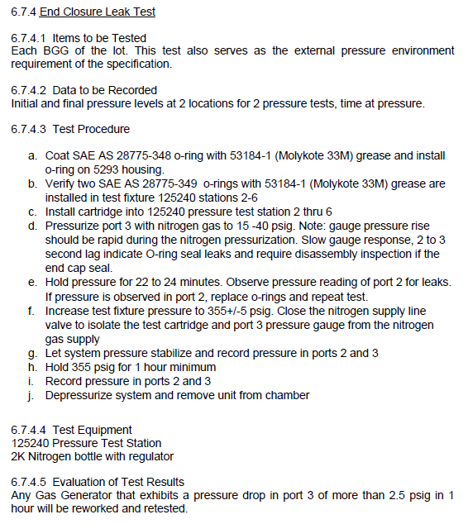
Step # | Step Description for GUI | AV231 (LO P) | AV232 (HI P) | AV233 (Z3 Vent) | AV221 (Z2 Vent) | Lid Lock Cylinder | Step Description | Markup
0 | Alarm State | Closed | Closed | Open | Open | Extend | Alarm and Initial Power Up State. Display Alarm Message #7 on initial power up. Turn off N2 supply and vent Staton 1 of N2 and extend lid lock cylinder. Display any applicable alarm message(s) on GUI. System to reside in this step after alarm condition/power up until the operator acknowledges the alarm on the GUI. Go to Step 1 once the alarm is acknowledged and the following conditions are met: PT231 < 0.5 psi (VENT_PMAX) and PT221 < 0.5 psi (VENT_PMAX). If PT231 > 0.5 psi (VENT_PMAX) or PT221 > 0.5 psi (VENT_PMAX), remain in Step 0 and display Alarm Msg#6 for PT231>0.5 psi (VENT_PMAX), Alarm Msg#5 for PT221 > 0.5 psi (VENT_PMAX).
1 | Load / Unload BGG | Closed | Closed | Open | Open | Retract | Idle State to allow loading/unloading of DUT and installation/removal of locking Lid. Activate a field to enter a S/N and a button on the GUI that reads "Start End Closure Leak Test". Require that at least 1 character is entered in the S/N field before going to the next step. Wait 2 seconds after entering idle state and then Verify CPS212=True and CPS211 = False. If this is not the case then go to Alarm State 0 with ALM 23.
2 | Lock Lid | Closed | Closed | Open | Open | Extend | Extend Lid Lock Cylinder to lock lid. Wait 2 seconds after extending cylinder and then verify lid lock cylinder position is correct by checking CPS211 and CPS212. -Over extended air cylinder (CPS211=False & CPS212=False) -> lid not in place-> Step 0 (Alarm Msg #2). -Cylinder still in retract position (CPS211=False and CPS212=True)=lid not locked-> Step 0 (Alarm Msg #1). -CPS211 = True and CPS212 =True indicate sensor problem -> Go to Alarm State 0 with ALM #23. -CPS211=True and CPS212=False indicate the lid is installed and locked and it is okay to continue test. Go to Step 3.
3 | Low Pressure Verification | Open | Closed | Closed | *Closed | Extend | Start recording pressure vs time on PT231, PT221 every second. Pressurize zone 3 to 20 psi for 23 minutes (EC_LOP_TIMER) Verify PT231 reaches 17 psi (LOP_TARGET) in < 5 seconds (LOP_RAMP) after opening AV231. Alarm Msg #11 and go to Step 0 if PT231 does not reach 17 psi (LOP_TARGET) in < 5 seconds (LOP_RAMP). Start 23 minute timer (ECLOP_TIMER) *and close AV221 when PT231>17 psi (LOP_TARGET). After (ECLOP_TIMER)>0, verify PT221 <1 psi (LOP_LEAK_MAX) to ensure O-rings are installed and leak tight. Go to step 0 if pressure rises on PT221 >1 psi (LOP_LEAK_MAX) with Alarm Msg #3 while 23 minute timer (ECLOP_TIMER) is running. If PT231 is >25 psi (LOP_MAX) during this step, go to Step 0 with Alarm Msg #16. If PT231 falls belows 15 psi (LOP_MIN) after starting 23 minute timer (ECLOP_TIMER), go to Step 0 with Alarm Msg# 15. Continue monitoring CPS211 and CPS212 to ensure the lid remains locked throughout test. Go to step 0 with Alarm #23 if the following is not true at anytime: CPS111=True AND CPS112=False Open AV221 after ECLOP_TIMER expires before entering next step.
4 | Pressurize | Closed | Open | Closed | *Closed | Extend | Continue recording pressure vs time on PT231 and PT221 every second. Pressurize zone 3 to 355 psi. Verify PT231 reaches 351 psi (HIP_TARGET) in <20 seconds (HIP_RAMP). If PT231 does not reach 351 psi (HIP_TARGET) in <20 seconds (HIP_RAMP) go to alarm state 0 (Alarm Msg #12). Verify PT231 does not exceed 360 psi (HIP_MAX) at any time during this step. If PT231>360 psi (HIP_MAX) anytime during this step go to step 0 with alarm msg#20. Once the pressure reaches 351 psi, start a timer (EC_PSTABLE_WAIT) *and close AV221. When EC_PSTABLE_WAIT expires, go to Step 5 decay test. Continue monitoring CPS211 and CPS212 to ensure the lid remains locked throughout test. Go to step 0 with Alarm #23 if the following is not true at anytime: CPS111=True AND CPS112=False
5 | Decay Test | Closed | Closed | Closed | Closed | Extend | End Closure Decay Test: Continue Recording Pressure on PT231 and PT221 vs Time every second Turn off HI pressure N2 supply AV232 and start a timer (ECZ3_POFF_STABLE). When (ECZ3_POFF_STABLE) expires, start the EC_PTEST_TIMER. At t=0 of the 61 minute timer (EC_PTEST_TIMER), take a reading from PT231. Set this value to the intial pressure. While the 61 minute timer (EC_PTEST_TIMER) is running, continuously monitor the pressure on PT231 and PT221. Every second, calculate EC_PTEST_DELTA_MAX using the following equation: EC_PTEST_DELTA_MAX = EC_PTEST_DELTA_BASELINE + (Current PT221 Pressure x EC_TEST_SCALE_FACTOR) If the reading on PT231 decreases by more than 2.5 psi (EC_PTEST_DETLA_MAX) from the initial pressure, jump to Step 0 with alarm msg# 23. When the t=61 minute timer (EC_PTEST_TIMER=expires), go to step 6. Continuously monitor CPS211 and CPS212 to ensure the lid remains locked throughout test. Go to step 0 Alarm state if CPS211=0 (Alarm msg #2) or CPS212=0 (Alarm msg #1) at any time. | 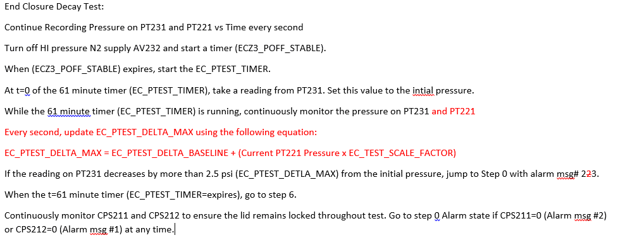
6 | Vent | Closed | Closed | Open | Open | Extend | Vent system of all N2.
7 | Lid Unlock | Closed | Closed | Open | Open | Retract | Wait for pressure to bleed off. Once PT231 < 0.5 psi (VENT_PMAX) and PT221 < 0.5 psi (VENT_PMAX) retract lid lock cylinder. Return to step 1. If pressure does not bleed off within 20 seconds (BLEED_TIME) leave lid lock cylinder extended and go to Step 0 with alarm message #4 if PT231 > (VENT_PMAX), #5 if PT221 > (VENT_PMAX)

Each End Closure Leak Test run should generate 2 CSV files.
File 1 |  |  | Bugs
S/N | This will be entered by the operator prior to starting a test |  | When an End Closure test fails Alarm Message 22 is displayed but it needs to be #23 - Failed End Closure Leak Test
Test Type | End Closure Leak Test
Test Start Time & Date | Use Time Stamp when step 3 begins.
 | Zone 2 | Zone 3
Low Pressure Verification Initial | PT221 Pressure at ECLOP_TIMER=10 sec | PT231 Pressure at ECLOP_TIMER=10 sec
Low Pressure Verification Final | PT221 Pressure at ECLOP_TIMER=23 minutes | PT231 Pressure at ECLOP_TIMER=23 minutes
Time At Low Pressure | This will be the time value of the ECLOP_TIMER. (ie 23 minutes unless alarm occurs)
High Pressure Initial | PT221 at EC_PTEST_TIMER = 10 sec | PT231 Initial Pressure in Step 5
High Pressure Final | PT221 Pressure just before EC_PTEST_TIMER expires | PT231 just before EC_PTEST_TIMER=expired
Time At High Pressure | This will be the time value of the EC_PTEST_TIMER timer. (ie 61 minutes unless alarm occurs)
Test Acceptance (PASS or FAIL) | If the test run makes it to Step 6 this is PASS. If an alarm occurs prior to step 6 this field should be FAIL. An Alarm in Step 6 or 7 is not a FAIL but should be recorded below.
Alarms | Record any alarms that occurred during the test.

File 2
S/N | This will be entered by the operator prior to starting a test
Test Start Time & Date | Use time stamp when Step 3 begins.
Time & Date Stamp | PT221 | PT231
2020-04-03 13:26:01
2020-04-03 13:26:02
2020-04-03 13:26:03
2020-04-03 13:26:04
2020-04-03 13:26:05
2020-04-03 13:26:06
2020-04-03 13:26:07
2020-04-03 13:26:08
2020-04-03 13:26:09

